TA_Packet_Core
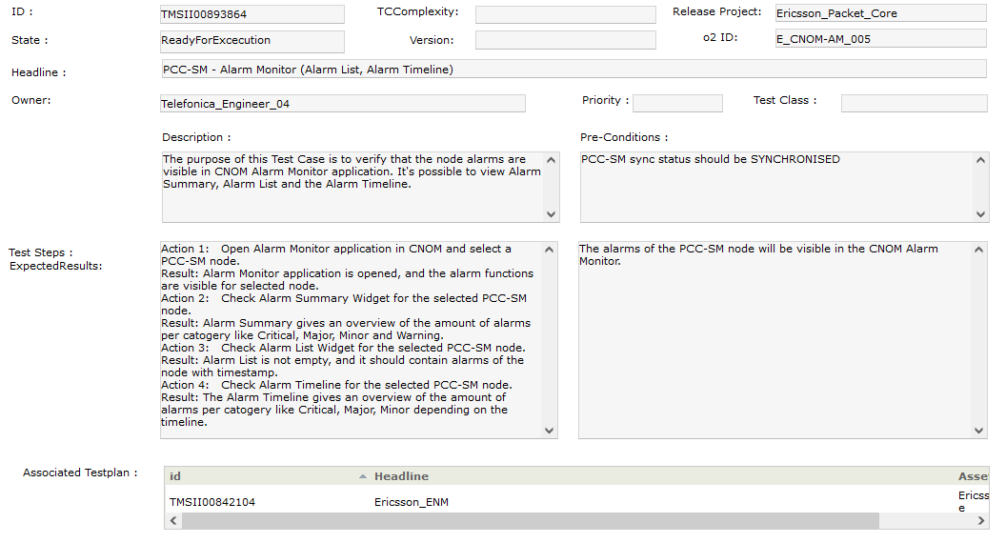
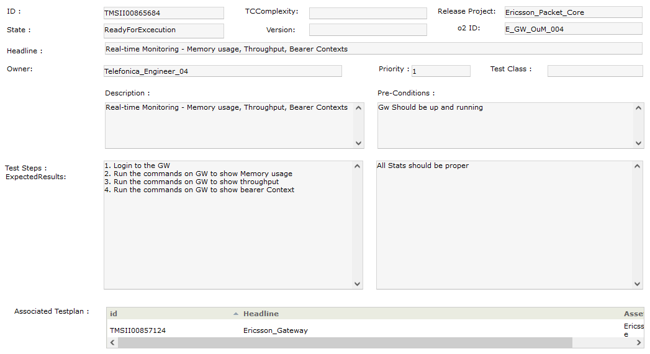
TMSID | O2 ID | Headline
TMSII01347408 | E_5GSA_MO_009 | Verification of 5G service request
TMSII01347401 | E_MME_MO_008 | Service req./acc.
TMSII01347417 | E_CHRGW-001 | PGW-CDR: Call with no partials, normal release with no partials
TMSII01347475 | E_ENM_CMCLI_009 | PCC - ENM CLI - Export CM data in 3GPP, dynamic format and download

